Savings
 |  |  Documented Savings Using

Customer: |  |  | Application:
Region : |  |  | Date:
Distributor : |  |  | Phone:
Savings Calculation
Present Bearing Cost? | $20.00 | Cost of Bearing with Lubricant |  |  |  | $85.00 | 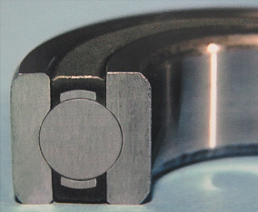
Lubrication Intervals (Weeks)? | 2.0 | Lubrication Intervals |  |  |  | Never!!
Time to Lubricate (Minutes)? | 10.0 | Labor Time to Lubricate |  |  |  | Zero!!
Cost of Labor/Hr? | $20.00 | How Many Bearings? |  |  |  | 30
 | Present Bearing Annual Cost | Filled | Yearly Savings | Accumulated Savings | 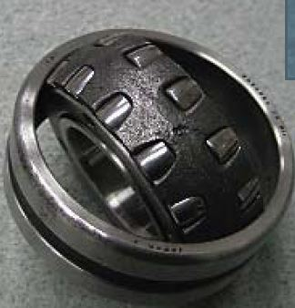
1st Year (Bearing n Labor Cost) | $3,200.00 | $2,550.00 | $650.00 | $650.00
2nd Year (Labor Costs) | $2,600.00 | No Cost | $2,600.00 | $3,250.00
3rd Year (Labor Costs) | $2,600.00 | No Cost | $2,600.00 | $5,850.00
4th Year (Labor Costs) | $2,600.00 | No Cost | $2,600.00 | $8,450.00
5th Year (Labor Costs) | $2,600.00 | No Cost | $2,600.00 | $11,050.00

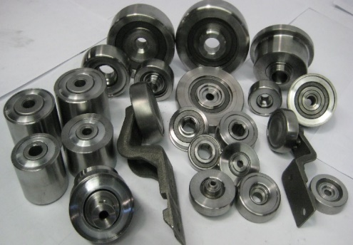

Unique Technologies Associates |  |  |  |  |  | ROI (Return on Investment)
42 Mileed Way |  |  |  |  |  | 9.0 | Months
Avenel, NJ 07001 Phone: 732-882-0777 Fax: 732-882-1777
Phone: 732-882-0777 Fax: 732-882-1777
Email: info@utausa.com |  |  | For More Information, Visit our site: https://www.utausa.com/

Brochure
